2022 Bal Sht
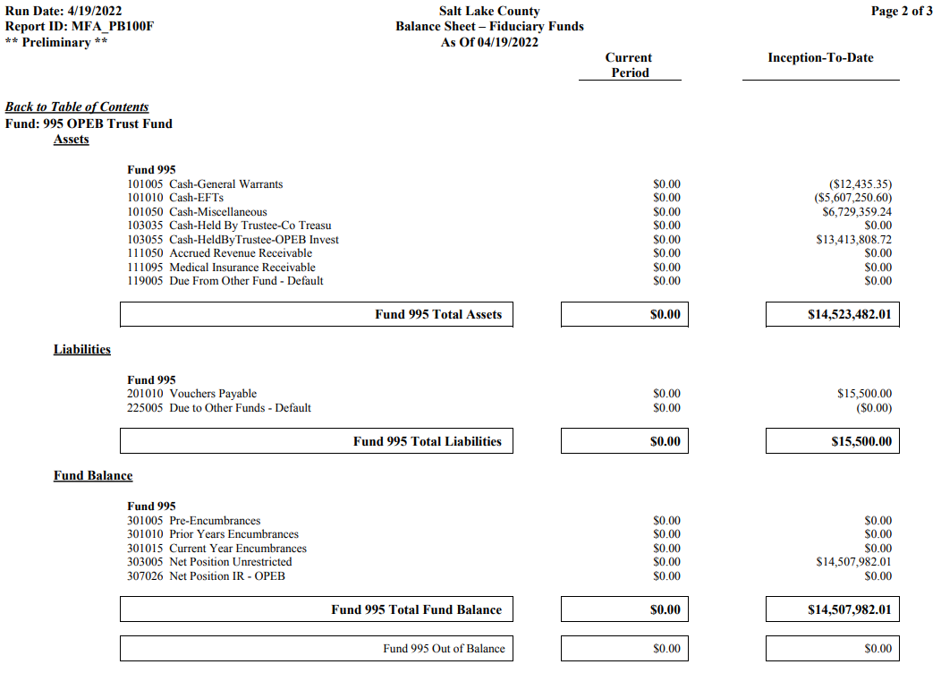

13,413,808.72 | Amount at Moreton
 | 13,513,783.62
 | 99,974.90

(14,507,982.01)

(1,094,173.29) | Amount on County Books

300,000.00

(794,173.29) | 19,517.61

2021 Bal Sht
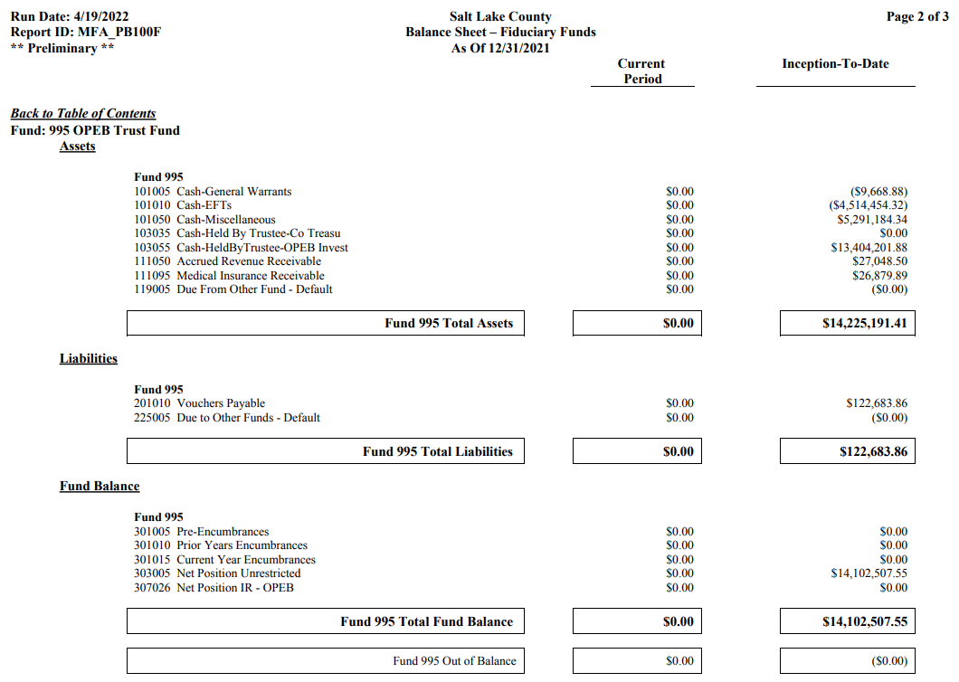

13,404,201.88

(14,102,507.55)

(698,305.67)

