Bal Sht
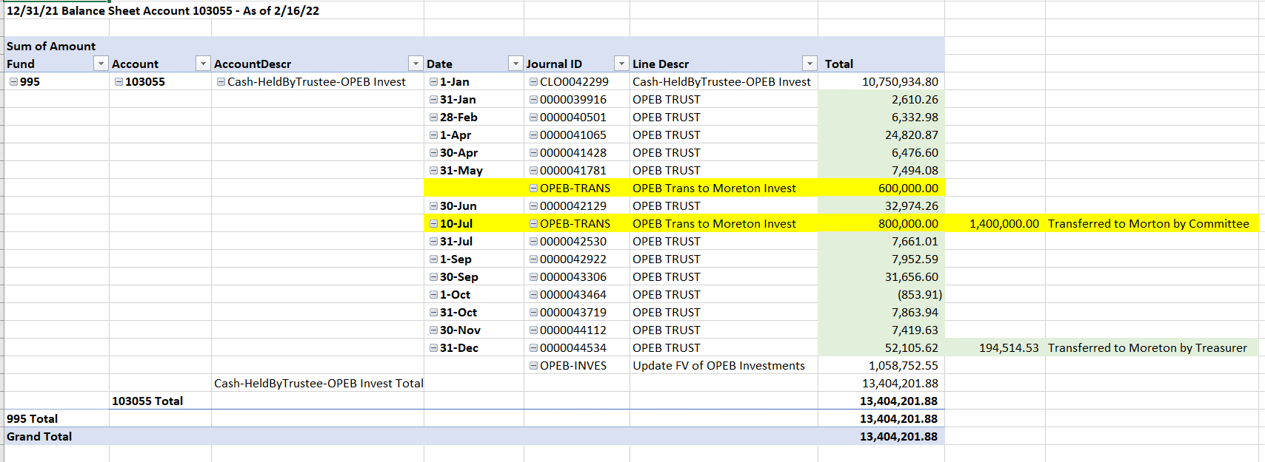
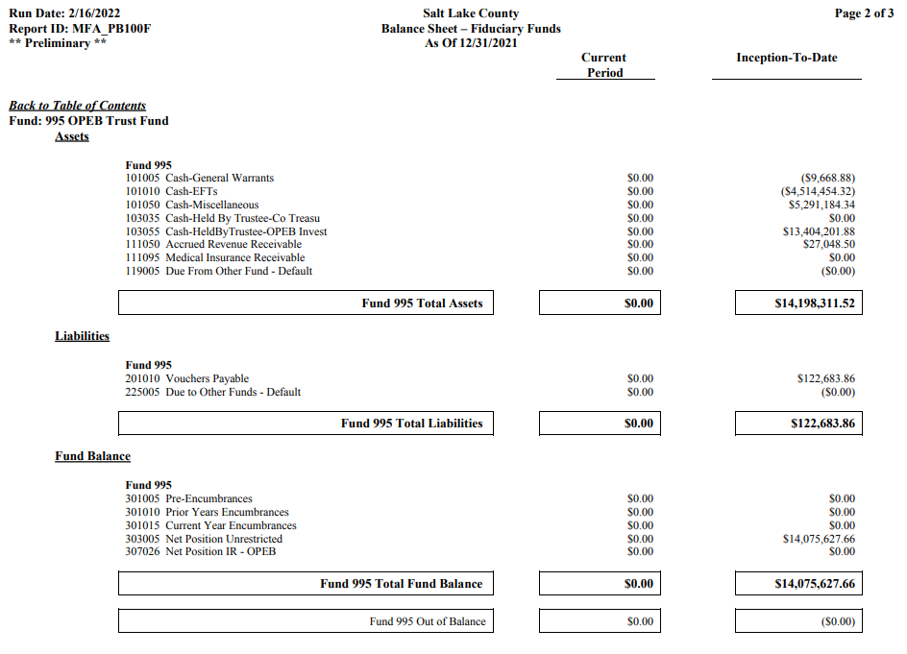

13,404,201.88 | Held at Moreton

14,075,627.66 | Total Reserves
671,425.78 | Reserves held at County

