AFR Sum
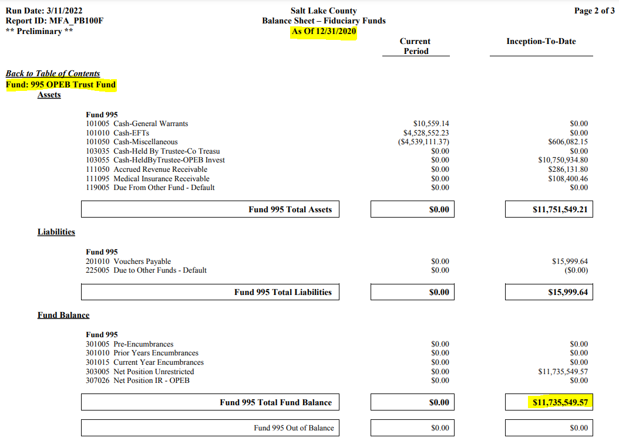
Statement of Changes in Fiducary Net Position
Year Ended December 31, 2021

Additions:

Employer Contributions | (4,809,408.47) | OPEB Charge

Investment Income:
Net Increase in Fair Value of Investments | (1,058,752.55) | Morton Invest. Chg
Interest | (197,124.06) | County Treasurer
Total Investment Income | (1,255,876.61)

Total Additions | (6,065,285.08)

Deductions:

Benefit Payments | 3,428,898.24
Administrative Expenses | 269,428.86
Total Deductions | 3,698,327.10 | 2021 Paygo Amt

Net Increase in Net Position | (2,366,957.98)

Balance Sheet
Net Postion - Beginning | 11,735,549.57
Net Postion - Ending | 14,102,507.55
Net Position Change | 2,366,957.98

Revenues (Over) Under Expenitures
from "Summary" Tab | (2,366,957.98) |  |  | 11,735,549.57

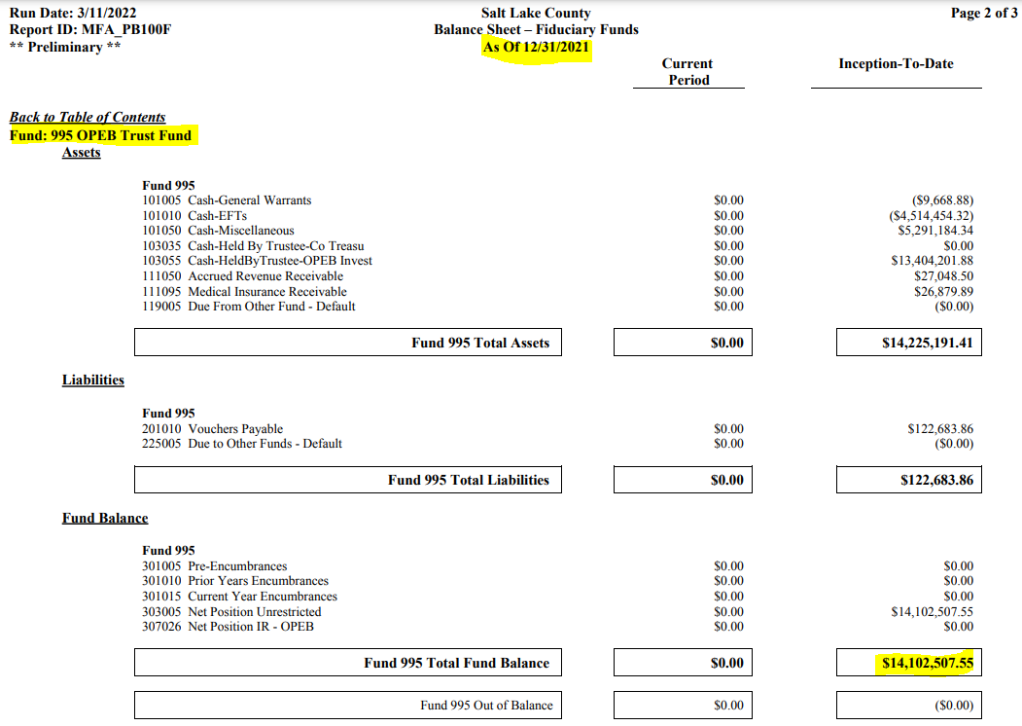
2021 Pay-Go Amount from "Paygo Calc" Tab | 3,698,327.10

Send to Shanell / Ben when this is completed | Not Done Yet

Ties to Nyhart 12/31/21 Valuation | Not Checked Yet
and County Financial Stmts

 |  |  |  | 14,102,507.55

 |  |  | Balance Sheet after PEHP check posted

